Definitions
Performance Metrics Definitions & Resources: Beds & Budget 2021
Median & Median Wait-Time | 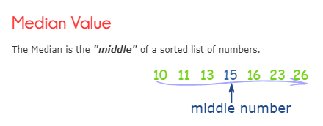 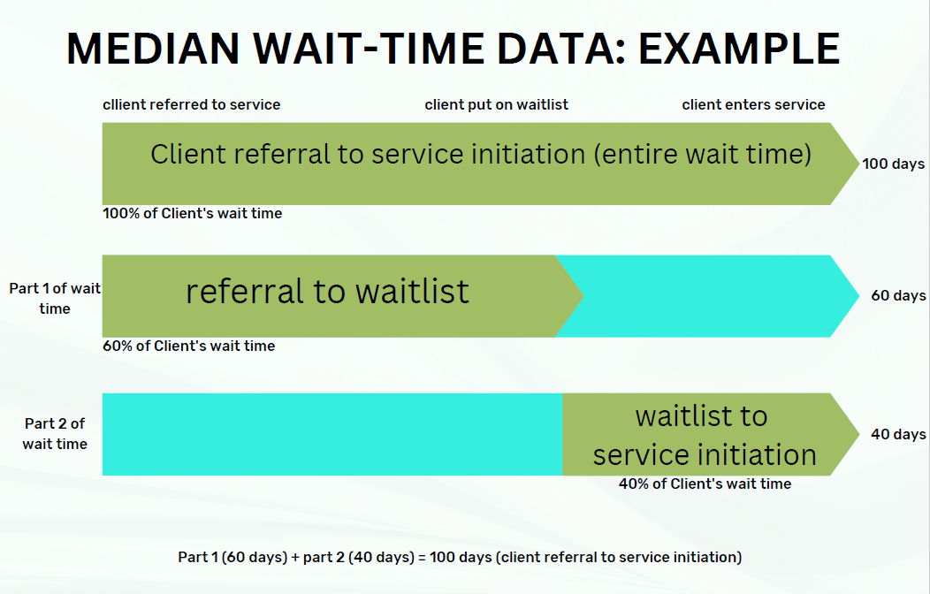 There are three wait time measures intended to capture client experience waiting for services and to better understand the points in the referral and waitlist process in which clients wait the longest. If service providers are unable to provide all three wait time measures please provide median # days between referral and service initiation, at a minimium. The median is the middle number in a sorted, ascending or descending list of numbers and can be more descriptive of that data set than the average. It is the point above and below which half (50%) the observed data falls, and so represents the midpoint of the data. Further explanation and examples are found online by following the link in this cell.
Performance Metrics Data Dictionary | Please see attached for PDF copy of data dictionary:
Community Substance Use Beds
Bed Type | Definition
Adult Substance Use Treatment Beds | Adult substance use treatment beds provide safe, structured, substance-free settings, licensed under the Community Care and Assisted Living Act (CCALA), and are funded by the health authorities. Residential substance use services provide time-limited, live-in intensive treatment for individuals who are experiencing substance use problems, and whose assessment indicates that they will be effectively served through intensive treatment. Professional practitioners provide assessment, structured individual, group counselling and may include family counselling/therapy, as well as psycho-social education and life-skills training. Some programs may also provide medical, nursing, or psychiatric support. Staff are on-site 24 hours a day. Programs generally range from 30-90 days.

Adult Substance Use Supportive Recovery Beds | A temporary residential, substance-free setting for adults, funded by health authorities to provide a safe, supportive environment for individuals who are experiencing substance use problems. Support recovery programs deliver low to moderate, time-limited supports and services for clients. They meet the needs of individuals who are preparing to enter residential treatment or those who have left more intensive residential treatment but who require additional support to reintegrate into the community, or for those requiring a longer-term structured environment while preparing to transition into a more stable lifestyle. Activities may include coaching for daily living, community reintegration, vocational and educational planning, participating in mutual aid supports, and some counselling and case management. Individuals access outpatient and other community treatment services and supports. Services provided in facilities that are registered or licensed under the Community Care and Assisted Living Act (CCALA). Programs generally range from 60-120 days.

Adult Withdrawal Management Beds | Supportive Residential: Withdrawal management services are provided in a community (non-hospital) residential setting funded by the health authorities. Individuals going through the acute stages of withdrawal from substances may be medically monitored or medically supervised which may involve a medical assessment by a physician and regular monitoring by a nurse and health care worker. Services are provided in facilities required to be licensed under the Community Care and Assisted Living Act (CCALA).
 | Hospital Based: Dedicated beds within a hospital which provide medical treatment and support to adults going through acute withdrawal from alcohol or other drugs. Treatment may include drug therapy including medication management for physical stabilization and withdrawal, and for concurrent disorders.
Additional Bed Types (if required)
Adult Stabilization (or transition) Beds | A temporary residential setting providing short to medium-term (from 24 hours to 30 days) medical and clinical supports in dedicated stabilization and/or transition beds. Stabilization beds may be linked closely with the emergency services of a hospital to provide specialised, short-term, intensive mental health and substance use treatment.

Adult Sobering & Assessment Beds | Beds/mats funded by the health authorities to provide a short-term (less than 24 hours) safe place for people under the influence of substances. Monitoring of health is provided as it relates to acute intoxication. The objective is to provide short-term respite, and not necessarily facilitate a referral to other substance use and/or mental health services, although that may be a secondary outcome of the service.

Section A Measures
Access & Utilization; Client Demographics
Section A Measure | Definition
Access & Utilization
# of Unique clients served | The unique number of clients accessing a service in a given time period. For example: If a client accesses and leaves a services 4 times in one reporting period, this would be counted as 1 unique client.
Utilization | Utilization measures the overall use of an initiative and may be captured differently based on initiative characteristics. Examples of key indicators for utilization might include bed occupancy, appointment attendance, or training session delivery.
(Total Bed Days & Occupancy Rate) | Bed Day and Occupancy rate (capacity %) Calculation Sample:

 | 16 (total beds funded) x 92 (days in reporting period) = 1472 (total bed days available for use)
 | 1153 (the service provider reports that this number represents the total days occupied) / 1472 (total bed days available for use) = 78%-the overall occupancy rate through the entire period.
Optional - Total Vacant Bed Days | Bed is empty with no plan of person going into bed.
Optional - Held bed days | Bed is empty but waiting for a person to arrive (e.g., from corrections or hospital).
Optional - Treatment Bed Days | Bed is being used by a client who is receving services.
Optional - Post Treatment Bed Days | Bed is being used by a client who has completed servies but is awaiting discharge or transition to another service (e.g., done treatment but waiting for housing).
Median # of days between client referral and service initiation | Referral has taken place once the appropriate service or department has received the information necessary to proceed with client intake.
 | Service Initiation has taken place once a client has completed the service provider’s intake and initiated programming.
Median # of days between client referral and waitlist | Referral has taken place once the appropriate service or department has received the information necessary to proceed with client intake.
 | Waitlist has taken place once all components of the referral process are complete, and a client has been placed on a waitlist.
Median # of days between waitlist and service initiation | Waitlist has taken place once all components of the referral process are complete, and a client has been placed on a waitlist.
 | Service Initiation has taken place once a client has completed intake and initiated programming.

Demographics
Clients who self-identify as Indigenous (%) | The number of clients as a percentage who self-report an Indigenous identity.
If possible, please provide a breakdown by: First Nations, Metis, and Inuk | A further breakdown of self-identified Indigenous identity by First Nation, Metis, and Inuk.
Gender of clients served (%) | Gender Identity is each person's internal and individual experience of gender. Data should be provided for the following categories: Men, Women, Transgender or Gender Diverse.

Section B Measures
Client Experience; Structural; Process; Outcome.
Section B Measure | Definition
Client Experience
Positive client ratings of outcomes based on self-identified recovery or service goals | Specific question related to client ratings of goals or outcomes can be modified or determined by Health Authorities/service providers to best fit initiative and/or client population.
 | Example Question:
 | In the past 6 months while in treatment and recovery services, I have:
 | 1. Not established a personal recovery goal
 | 2. Established a goal, but have not done anything to meet my goal
 | 3. Made some progress toward meeting my goal
 | 4. Have gotten close to meeting my goal
 | 5. Have met my goal

 | Example Reporting:
 | When asked, >85% of clients reported meeting their self-identified recovery goals.
Structural Measures
High percentage of program staff who have training in 1 or more of the following; | Example Reporting:
-Indigenous Cultural Safety | At least 85% of staff have taken a recognized (a) Indigenous Cultural Safety Course (e.g., San’yas), (b) trauma-informed practice training from a recognized source (e.g. Justice Institute of BC), or (c) initiative-specific training (e.g., training in Provincial Standards for Supportive Recovery).
-Trauma Informed Practice
-Other initiative-specific training (please specify)
Process Measures
Percentage of clients retained in service at 30-60-90 days | Measure can be adjusted depending on program length, e.g., percentage of clients retained in program at mid-point and end-point; percentage of clients retained in program at 20-40-60 days, etc.
 | Example Reporting:
 | 90% of initial clients were retained in service at 30 days; 80% of clients were retained in service at 60 days; and 75% of clients were retained at 90 days. Overall, 75% of clients completed the entire 90-day program.

Percentage of clients on OAT: | Opioid Agonist Therapy or Opioid Agonist Treatment (OAT) uses medications such as suboxone and methadone to treat opioid addiction, reduce drug-related harms, and support long-term recovery. OAT may also be defined as medication-assisted therapy/treatment.
-At admission | Example Reporting:
-At discharge | At admission, 39% of clients were on OAT therapy. At discharge, 43% of clients were on OAT therapy.
Percentage of clients connected to other MHSU services while waitlisted for initiative | While on a waitlist for treatment or recovery services, what percent of clients are connected to other MHSU services?

Total number of clients who decline service: | Example Reporting:
-Due to service location | Out of 100 clients offered a treatment bed this report period, 12 declined due to the service being out of town or “too far” from their home/community/family. Six clients were unable to accept offered treatment due to an inability to arrange childcare.
-Due to childcare concerns
Total number of clients who are asked to leave or transferred based on service fit | Example Reporting:
 | A total of 10 clients were asked to leave or transferred based on service fit. Two left treatment and recovery services entirely, while 8 were transferred to other services that better met specific client needs (e.g., comorbid cognitive impairment, mental health conditions).

Outcome Measures
Reduction in health-related harms/co-morbid health challenges associated with SU | Measure may be tailored to meet Health Authority and program specific needs.
 | Example Measure:
 | Reduction in MHSU-related ER and/or acute care visits.
Percentage of clients who are connected to health and/or community services and supports upon transition from service | Example Measure:
 | While transitioning out of treatment or recovery services, what percent of clients are connected to health and/or community services?
 | Example Reporting:
 | Upon transition from services, 32% of clients were connected to prevocational skills training in the community, while 10% were connected to housing-based supports.
Provincial Measures for Managed Alcohol Programs | May be modified by HA upon depending on specific program needs.
Self-reported utilization of non-beverage alcohols:
· % of clients reporting current consumption of NBA versus % clients reporting past consumption of NBA
% change in emergency health service utilization (ED visits, acute care visits)
· 6 months pre-MAP to 6 months post-MAP engagement

